4. Process Help
RISK MANAGEMENT PROCESS: OVERVIEW

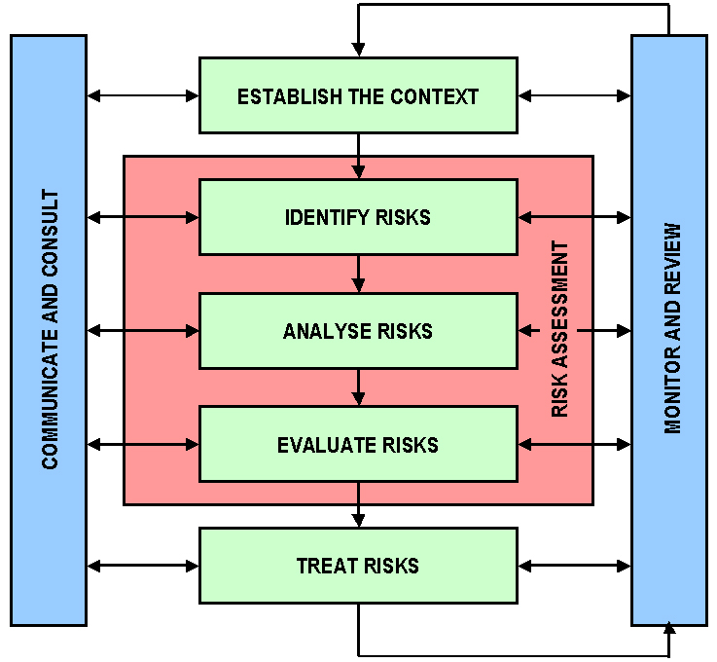
1. The CONTEXT defines the scope and objectives of the risk management exercise. See tab 3 for details.

2. IDENTIFY risks by asking ,"What could occur that would have an impact on our objectives?" Risks have three key elements: Event, causes, impacts.

3. Risks ANALYSIS involves ranking the likelihood and consequence using a 1-5 scale See tab 2 for guidance.

4. In order to EVALUATE risks the group reviews the effectiveness and appropriateness of currents controls and determines what action to take, if any.

5. Risk TREATMENT is the activity (s) you are going to implement to better manage your exposures. Your mitigations will reduce the likelihood and/or consequence of the risk event occurring.

